Sheet1
Store | Con1 | Con2 | t-Test: Paired Two Sample for Means |  |  | Differences (Con1-Con2) | Z-Value |  |  | Descriptive Statistics
1 | 141 | 118 |  |  |  | 23 | 0.38532046641 | n (count) | 10
2 | 184 | 167 |  | Con1 | Con2 | 17 | -0.12566134686 | Sample mean | 13.2 | Mean | 13.2
3 | 132 | 137 | Mean | 172.6 | 159.4 | -5 | -1.0364333895 | Sample SD | 14.520483616 | Standard Error | 4.5917800954
4 | 161 | 168 | Variance | 750.26666667 | 789.37777778 | -7 | -1.644853627 | Sample skewness | -0.36349621328 | Median | 19
5 | 176 | 175 | Observations | 10 | 10 | 1 | -0.38532046641 | Sample kurtosis | -1.9094106287 | Mode | #N/A
6 | 196 | 197 | Pearson Correlation | 0.86333500408 |  | -1 | -0.6744897502 | Jarque-Bera test statistic | 1.739320 | Standard Deviation | 14.520483616
7 | 169 | 143 | Hypothesized Mean Difference | 0 |  | 26 | 0.6744897502 | JB p-value | 0.41909410978 | Sample Variance | 210.84444444
8 | 199 | 169 | df | 9 |  | 30 | 1.644853627 |  |  | Kurtosis | -1.9094106287
9 | 150 | 123 | t Stat | 2.8747021255 |  | 27 | 1.0364333895 |  |  | Skewness | -0.36349621328
10 | 218 | 197 | P(T<=t) one-tail | 0.0091678173876 |  | 21 | 0.12566134686 |  |  | Range | 37
 |  |  | t Critical one-tail | 1.8331129327 |  |  |  |  |  | Minimum | -7
 |  |  | P(T<=t) two-tail | 0.018335634775 |  |  |  |  |  | Maximum | 30
 |  |  | t Critical two-tail | 2.2621571628 |  | NORMALITY TESTS |  |  |  | Sum | 132
Normal Probablility Plot
 |  |  |  |  |  |  |  |  |  | Count | 10
 |  |  | Difference in Means | 13.2

 |  |  | For p (two-tail)
 |  |  | Null hypothesis: Mean difference = 0
 |  |  | Alternative hypothisis: Mean difference is not = 0
 |  |  | p (two-tail) = .018 <= .05, therefore reject null hypotheisis

 |  |  | For p (one-tail): Valid
 |  |  | Null hypothesis: Con 1 mean <= Con 2 mean
 |  |  | Alternative hypothesis: Con 1 mean > Con 2
 |  |  | p (one-tail) = .009 < 0.01, therefore reject null
 |  |  | At a high level of significance.

 |  |  | For p (one-tail): Invalid
 |  |  | Null hypothesis: Con 1 mean >= Con 2 mean
 |  |  | Alternative hypothesis: Con 1 mean < Con 2
 |  |  | p (one-tail) = .009 < 0.01, therefore reject null
 |  |  | However, this is incorrect as t Stat is positive, indicating |  |  | Interpretation: Contrary to the assignment, the data is probably NOT normally distributed as it curves down on the left and up at the right
 |  |  | Con1 mean > Con2 mean.
 |  |  | And Con 1 mean is > Con2 mean, so can't use the one-tail test. |  |  | However, according to https://www.statology.org/normality-test-excel/
 |  |  |  |  |  | Null hypothesis is normal
 |  |  |  |  |  | Jarque-Bera p-value of 0.42 is greater than 0.05, so fail to reject null hypothesis that dataset is normally distributed

No exercise for 8.4G. Exercise appears to have been removed and the documentation not updated.
A best guess is done in 8.4G. See results there.

Description Notes
The market research staff at a detergent manufacturing company is considering two new, different container designs for a kitchen cleaning product. A pilot study was conducted by placing both containers of the product on sale at the same price in a sample of 10 retail stores for a fixed period of time. The numbers of items of the product sold were recorded for each container design.
Variable | Description
Store |  | store identification number (1 – 10)
Con1 |  | number of items sold, Container Design 1
Con2 |  | number of items sold, Container Design 2
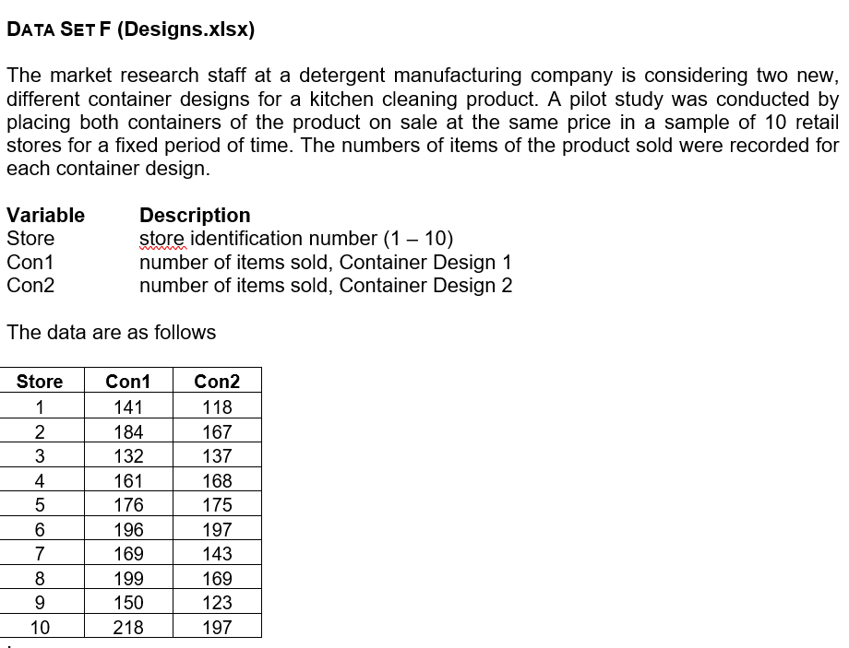

This document appears to be the same as Designs.xlsx in Unit 7 and 8. Why?
The Excel lines are from Designs.xls
The screenshot from 7 Data Annexe.docx
There are duplicate files: ones with names, ones prefixed with exa and ones prefixed with exe.

